shape
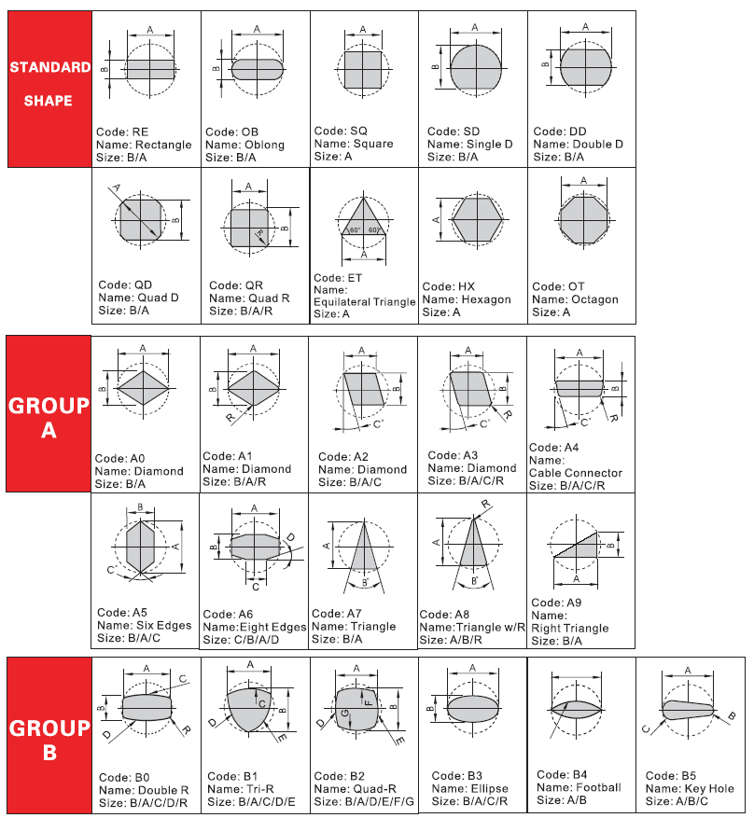
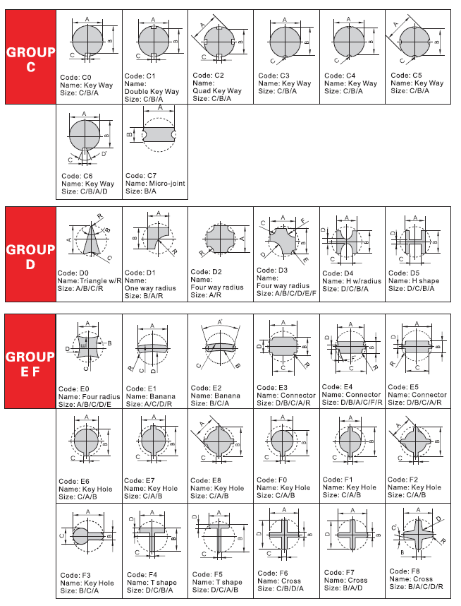
Class | Image_shape | Code | R | A | B | C | D | E | F | R
Rectangle |  | RE | 0 | 1 | 1 | 0 | 0 | 0 | 0 | 0
Oblion |  | OB | 0 | 1 | 1 | 0 | 0 | 0 | 0 | 0
Square |  | SQ | 0 | 1 | 0 | 0 | 0 | 0 | 0 | 0
Single D |  | SD | 0 | 1 | 1 | 0 | 0 | 0 | 0 | 0
Double D |  | DD | 0 | 1 | 1 | 0 | 0 | 0 | 0 | 0
Quad D |  | QD | 0 | 1 | 1 | 0 | 0 | 0 | 0 | 0
Quad R |  | QR | 1 | 1 | 1 | 0 | 0 | 0 | 0 | 0
Equilateral Triangle |  | ET | 0 | 1 | 0 | 0 | 0 | 0 | 0 | 0
Hexagon |  | HX | 0 | 1 | 0 | 0 | 0 | 0 | 0 | 0
Octagon |  | OT | 0 | 1 | 0 | 0 | 0 | 0 | 0 | 0

